Sheet1
PLAYERS
HUMANS | HIT POINTS | HP REGENERATION | SPEED | POSITION | ROTATION | VISION | DAMAGE | RANGE | ATTACK RATE | MANA | MANA REGENERATION | UNIT | BUILDING | TRAINING/BUILDING | ISFLYING | ATTACKTYPE | DEFENSETYPE | DEFENSE | PROJECTILE | SELECTABLE | ANIMATIONS | FACTION | TEAM | COLOR
Legionnaire | 150 | 15 | 50 | X | X | 50 | 35 | 5 | 1.3 | X | X |  |  |  |  | Slashing | Light |  |  | Y
Marksman | 75 | 15 | 60 | X | X | 50 | 50 | 35 | 1 | X | X |  |  |  |  | Piercing | None |  | x | y
Paladin | 250 | 20 | 50 | X | X | 70 | 100 | 5 | 1.2 | X | X |  |  |  |  | Slashing | Heavy |  |  | y
Knight | 150 | 15 | 135 | X | X | 50 | 50 | 5 | 1 | X | X |  |  |  |  | Piercing | Medium |  |  | y
Spellslinger | 50 | 10 | 40 | X | X | 50 | 65 | 25 | 0.7 | X | X |  |  |  | Must Learn Flying Ability | Magical | None |  | x | y
Siege Engine | 500 |  | 50 | X | X | 40 | 80 | 30 | 1.5 | X | X |  |  |  |  | Artillery | Heavy |  | x | y
Gryphon | 250 | 20 | 80 | X | X | 80 | 70 | 5 | 1.25 | x | x |  |  |  |  | Slashing | Light |  | x | y
ORCS | HIT POINTS | HP REGENERATION | SPEED | POSITION | ROTATION | VISION | DAMAGE | RANGE | ATTACK RATE | MANA | MANA REGENERATION | UNIT | BUILDING | TRAINING/BUILDING | ISFLYING | ATTACKTYPE | DEFENSETYPE | DEFENSE | PROJECTILE | SELECTABLE | ANIMATIONS | FACTION | TEAM | COLOR
Brute | 200 | 20 | 50 | x | x | 50 | 75 | 5 | 1.8 | x | x |  |  |  |  | Slashing | Light |  |  | x
Slugger | 75 | 10 | 150 | x | x | 70 | 25 | 5 | 1.5 | x | x |  |  |  |  | Piercing | Light |  | x | x
Warlord | 350 | 15 | 25 | x | x | 50 | 75 | 5 | 1.7 | x | x |  |  |  |  | Slashing | Heavy |  |  | x
Raider | 200 | 20 | 35 | x | x | 50 | 80 | 5 | 1.5 | x | x |  |  |  |  | Piercing | Light |  |  | x
Warlock | 100 | 10 | 25 | x | x | 50 | 85 | 30 | 1.3 | x | x |  |  |  |  | Magical | None |  | x | x
Demolisher | 600 |  | 35 | x | x | 40 | 100 | 35 | 2 | x | x |  |  |  |  | Artilery | Heavy |  | x | x
Wyvern | 300 | 15 | 40 | x | x | 80 | 95 | 5 | 1.75 | x | x |  |  |  |  | Slashing | None |  | x | x
HUMAN STRUCTURES | HIT POINTS | HP REGENERATION | SPEED | POSITION | ROTATION | VISION | DAMAGE | RANGE | ATTACK RATE | MANA | MANA REGENERATION | UNIT | BUILDING | TRAINING/BUILDING | ISFLYING | ATTACKTYPE | DEFENSETYPE | DEFENSE | PROJECTILE | SELECTABLE | ANIMATIONS | FACTION | TEAM | COLOR
Throne | 2000 |  |  | x | x | 100 | x | x | x |  |  | x | x | x |  |  | Fortified | x | Depends on Unit Occupying Space | x
Garrison | 1000 |  |  | x | x | 100 | x | x | x |  |  | x | x | x |  |  | heavy | x | Depends on Unit Occupying Space | x
Workshop | 700 |  |  | x | x | 100 | x | x | x |  |  | x | x | x |  |  | heavy | x | Depends on Unit Occupying Space | x
Armory | 900 |  |  | x | x | 100 | x | x | x |  |  | x | x | x |  |  | Fortified | x | Depends on Unit Occupying Space | x
Lumbermill | 600 |  |  | x | x | 100 | x | x | x |  |  | x | x | x |  |  | light | x | Depends on Unit Occupying Space | x
Magic Reservoir | 750 |  |  | x | x | 100 | x | x | x | x | x | x | x | x |  |  | medium | x |  | x
Tower | 1200 |  |  | x | x | 100 | 25 | 10 | 0.5 |  |  | x | x | x |  | piercing | Fortified | x | Depends on Unit Occupying Space | x
ORCS STRUCTURES | HIT POINTS | HP REGENERATION | SPEED | POSITION | ROTATION | VISION | DAMAGE | RANGE | ATTACK RATE | MANA | MANA REGENERATION | UNIT | BUILDING | TRAINING/BUILDING | ISFLYING | ATTACKTYPE | DEFENSETYPE | DEFENSE | PROJECTILE | SELECTABLE | ANIMATIONS | FACTION | TEAM | COLOR
Altar | 2000 |  |  | x | x | 100 |  |  |  |  |  | x | x | x |  |  | fortified | x |  | x
Barracks | 1000 |  |  | x | x | 100 |  |  |  |  |  | x | x | x |  |  | heavy | x |  | x
Factory | 700 |  |  | x | x | 100 |  |  |  |  |  | x | x | x |  |  | heavy | x |  | x
Forge | 900 |  |  | x | x | 100 |  |  |  |  |  | x | x | x |  |  | fortified | x |  | x
Sawmill | 600 |  |  | x | x | 100 |  |  |  |  |  | x | x | x |  |  | light | x |  | x
Sacrificial Pit | 750 |  |  | x | x | 100 |  |  |  | x | x | x | x | x |  |  | medium | x |  | x
Watch Tower | 1200 |  |  | x | x | 100 | 25 | 10 | 0.5 |  |  | x | x | x |  | piercing | fortified | x |  | x
Systems
HUMAN | ORCS | HUMAN STRUCTURES | ORC STRUCTURES
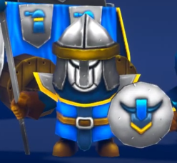 Legionnaire | 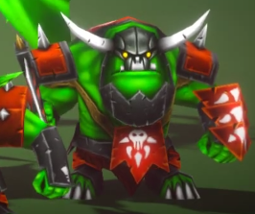 Grunt | 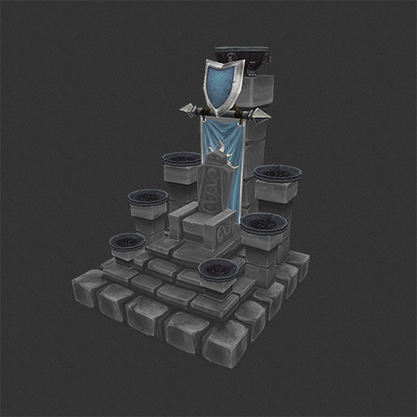 Throne | 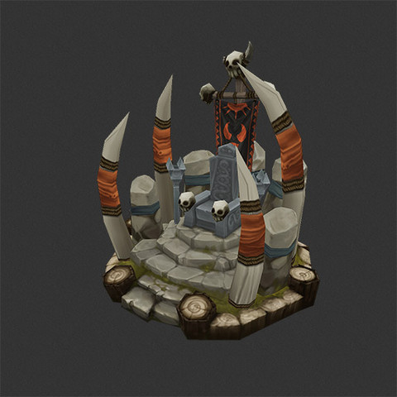 Altar
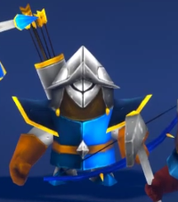 Marksman | 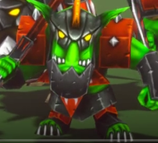 Slugger-WEAKEST | 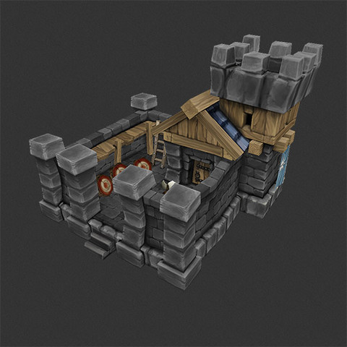 Garrison | 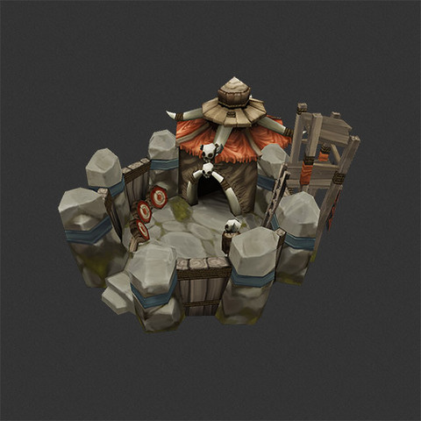 Barracks
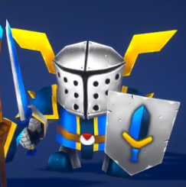 Paladin-SLOWEST | 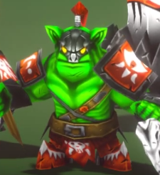 Warlord | 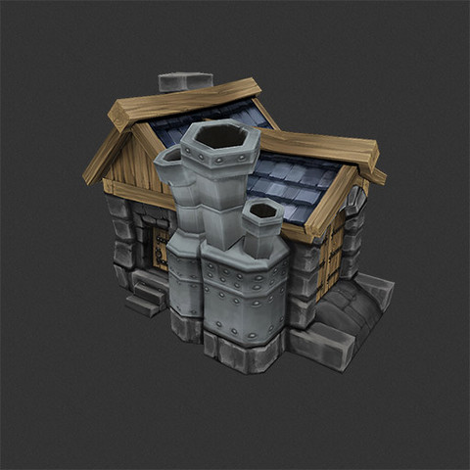 Workshop | 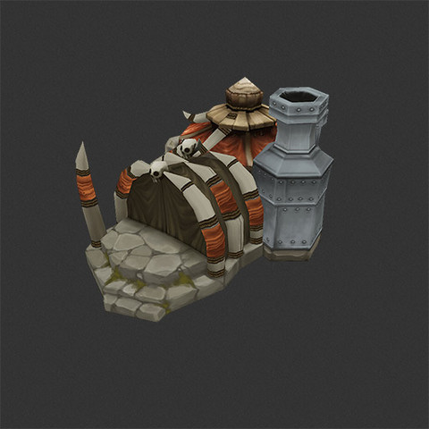 Factory
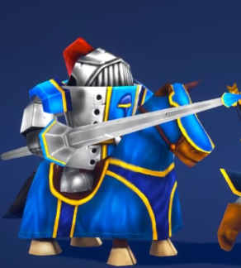 Knight | 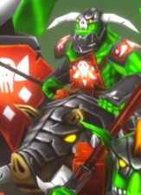 Raider | 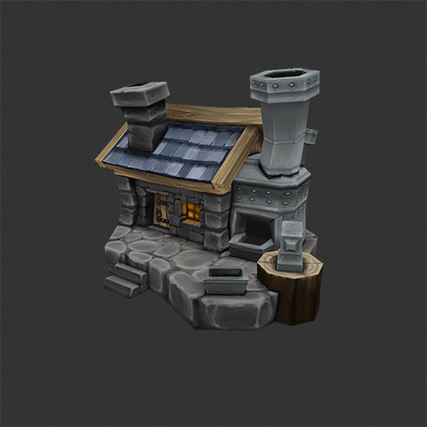 Armory | 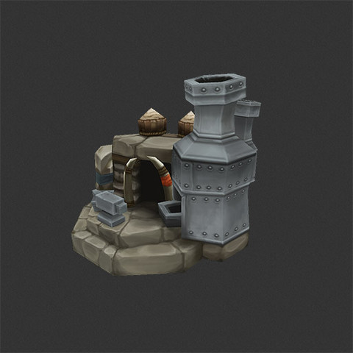 Forge
 Spellslinger | 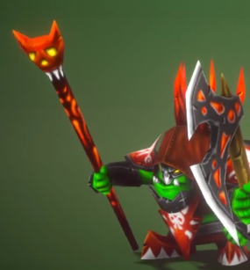 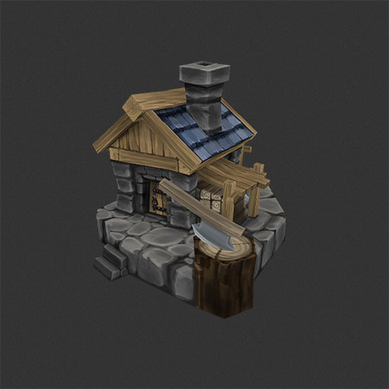 Warlock | 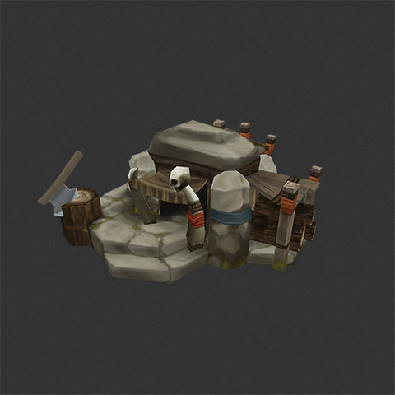 Lumbermill | Sawmill
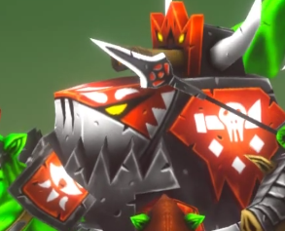 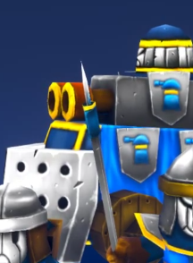 Siege Engine | Demolisher | 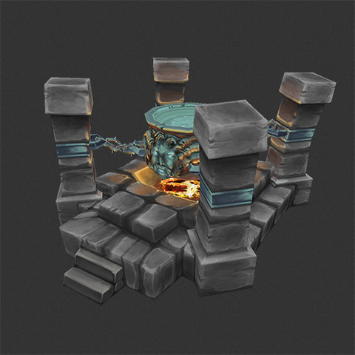 Magic Reservoir | 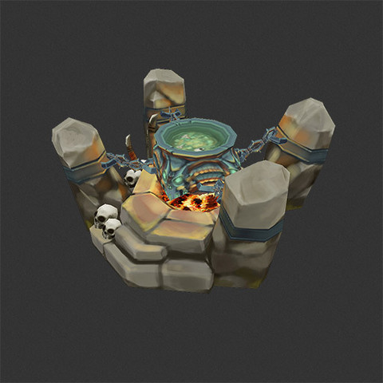 Sacrificial Pit
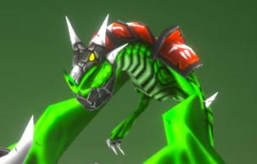 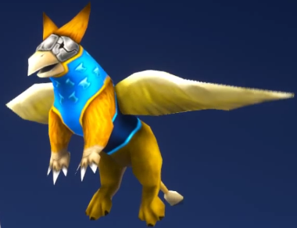 Gryphon | Wyverns | 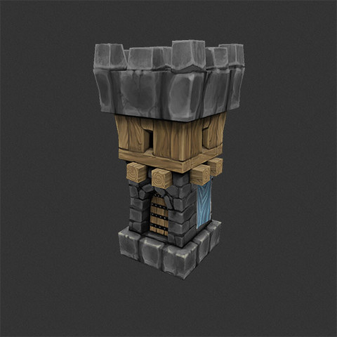 Tower | 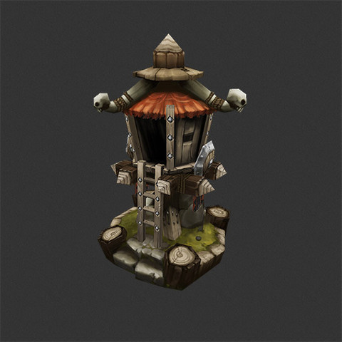 Watch Tower
Faster | Stronger

